StoreProcedure
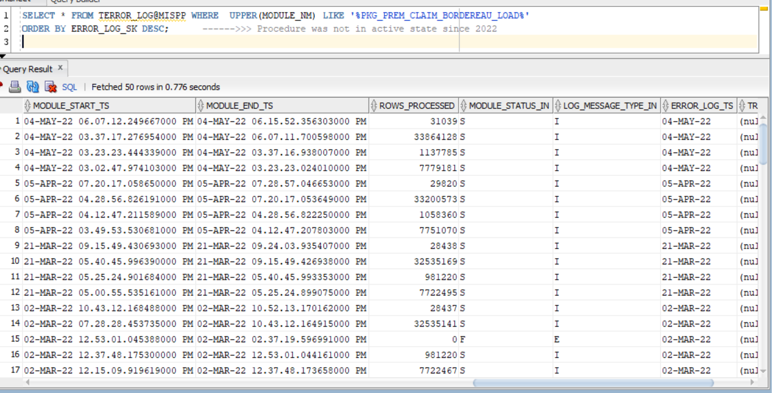
PK_VALIDATION
PKG_STONE_RIVER_DATA_LOAD
PKG_PREM_CLAIM_BORDEREAU_LOAD | SELECT * FROM TERROR_LOG WHERE UPPER(MODULE_NM) LIKE '%PKG_PREM_CLAIM_BORDEREAU_LOAD%' ORDER BY ERROR_LOG_SK DESC; ------>>> Procedure was not in active state since 2022

